Sheet1
Agile Group 9 - Sprint 1 |  |  |  |  |  |  |  | Members: | Roles:
Sprint Date: 25/01/21 - 29/01/21 |  |  |  |  |  |  |  | Gina Fenton | Scrum Master
 |  |  |  |  |  |  |  | Timothy Lundberg | Product Owner
Goal: Demonstrate the ability for researches to curate questionairres and export data from answered ones. |  |  |  |  |  |  |  | Laura Hutchison | Developer
 |  |  |  |  |  |  |  | Calum Parsons | Developer
Initial Velocity = 11 |  |  |  |  |  |  |  | Shanna Balfour | Developer
 |  |  |  |  |  |  |  | Ema Anicic | Developer
 |  |  |  |  |  |  |  | Michael Olori | Developer
 |  |  |  |  |  |  |  | Shaun Yap | Developer
Stories for this sprint:
User Story: |  |  | Acceptance Crit: |  | Member: |  | Points: | Done? (DoD) | Accepted?

As a researcher, I want to be able to add any questionnaires I have designed to my ethical application so that they can get approval |  |  | If a created questionairre can be attached to an email then accept |  | Shaun |  | 2 | Y/N | Y/N
As a researcher, I want to be able to export data from the questionnaire so that the data can be used for analysis. |  |  | All of the questionairre responses can be downloaded in an accessible and easily processible format |  | Shanna, Tim (database needs setup first) |  | 2 | N
As a stakeholder, I want participants to only have access to questionnaires so that the rest of the experiment is private and safe |  |  | When participants log in, they will only have access to questionnaires on their homepage. |  | Laura + Michael |  | 2 | N
As a researcher I want to be able to send questionnaires for participants to fill in so I can collect data from users |  |  | Researchers are able to send specific questionnaires to specific participants |  | Gina, Shaun |  | 2 | N
As a researcher, I want the ability to create a questionnaire so that they can be sent to users. |  |  | Questionnaires can be designed or processed by the program into its own suitable format |  | Ema, Calum |  | 3 | N
Other Tasks: Not Stories, but still need done |  |  | Member: |  | Done?
 |  |  |  |  |  |  |  | Definition of Done:
Set up database stuff so we can access it! |  |  | Laura + Timothy |  | Yes! 29/01/21 |  |  | -Meets accessibility guidelines -Code has been reviewed -Meets acceptance test for story -Product Owner accepts story
Set up a visual studio c# .net application that works on web |  |  | Ema + Calum + Timothy |  | Yes! 27/01/21

Scrum Minutes
Date | Happiness | Yesterday Progress |  | Issues |  | Today's Work Plan
example date | M,B,S,I
2021-01-26 | 4 Spirits, 1 Mock, 2 Beer | - Lots of research done into best way to host the software |  | - undertanding visual studio - feeling lost with where to start |  | -database setup -github setup - everyone able to work comfortably
2021-01-27 | 2 m, 5 b, 1 s | -Azure is now up and running our test code |  | -had to change github repo to get it to work |  | - need to know how to develope web application with asp.net - find resources for this
2021-01-28 | 5 b, 1 s, 1 i | - Email code working! -MySQL stuff linked and working |  | - overwhelmed (reassigned tasks to help) - some people can't work until other people have completed their work |  | - get SQL reading -make questionairre pages working and branded -add email stuff to send page |  | mocktail (happy) beer (ok still) spirit (getting bad) industrial strength (uh oh)
2021-01-29 | 1 B, 5 S | - Yesterday hard, SQL linked now |  | - Feeling Lost - Left behind - File architecture confusing |  | - Get all made pages working - Get some basic SQL function to show off - Sprint Review

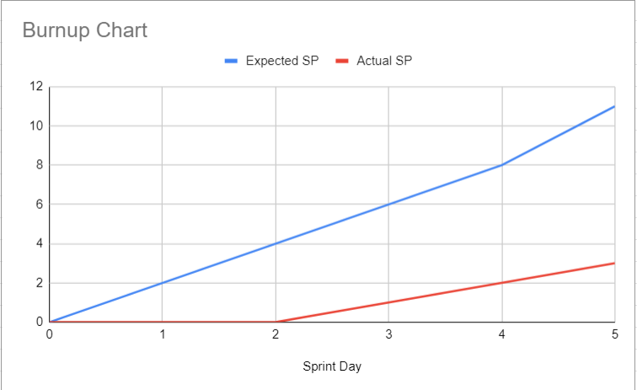

 |  |  |  |  |  |  |  | daily scrum shouldn't cover the technicalities of work, it should focus on the next steps and help keep things moving - technicalities can be done at other times aside from the scrum

 |  |  |  |  | We expected to reach 11 completed story points, however there was a big delay in lawing down the fundamentals so stories only began properly taking form on day 2; though they can't be checked off as done yet

